1
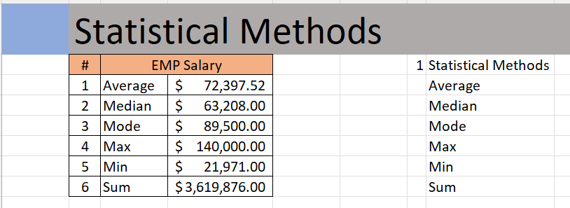
 | Statistical Methods
 | # | EMP Salary
 | 1 | Average | $72,397.52
 | 2 | Median | $63,208.00
 | 3 | Mode | $89,500.00
 | 4 | Max | $140,000.00
 | 5 | Min | $21,971.00
 | 6 | Sum | $3,619,876.00

Outcome should be as below

5
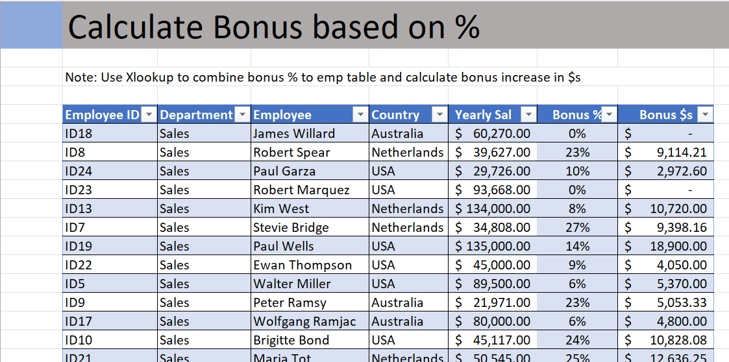
 | Calculate Bonus based on %
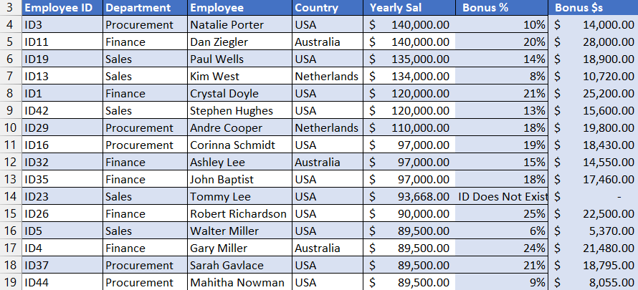

 |  | See '5 Work' Tab

Output should look like below

6
 | Employee with bonus
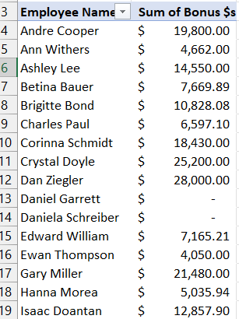

 |  |  | See '6 Work' Tab

Output should look like below.

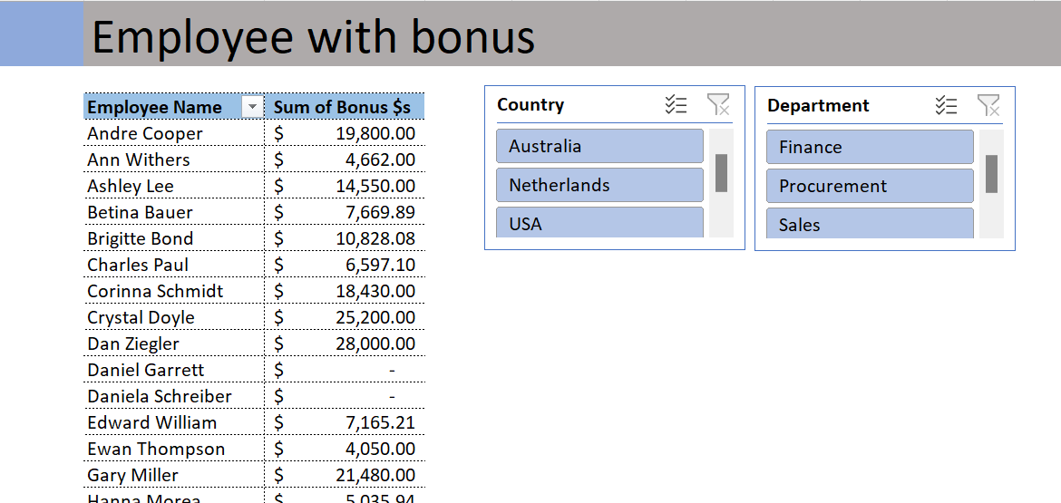
 | Daniela Schreiber | $-
 |  |  |  | Employee Report with Bonus payout by Country and By Dept

